OG Epochs
Epoch | Accuracy | Loss | Val Accuracy | Val loss | Test Loss | Test Accuracy |  | Classification Report |  |  |  | Original: | Test Loss | Test Accuracy |  | Classification Report |  |  |  | Feature | Correlation
1 | 0.8133 | 4.1601 | 0.9317 | 1.6297 | 0.44236904383 | 0.96765619516 | Class | Precision | Recall | F1-Score | Support |  | 0.49169352651 | 0.96681505442 | Class | Precision | Recall | F1-Score | Support | Fibrin D-dimer FEU [Mass/volume] in Platelet poor plasma_observations | 0.3671326869
2 | 0.8934 | 1.3181 | 0.9575 | 1.0007 |  |  | 0 | 1 | 0.99 | 1 | 1692 |  |  |  | 0 | 0.94 | 0.97 | 0.95 | 74 | Adenovirus A+B+C+D+E DNA [Presence] in Respiratory specimen by NAA with probe detection_observations | 0.34980764828
3 | 0.9074 | 1.2493 | 0.9601 | 0.8479 |  |  | 1 | 0.99 | 0.97 | 0.98 | 1672 |  |  |  | 1 | 0.99 | 0.96 | 0.98 | 387 | Human metapneumovirus RNA [Presence] in Respiratory specimen by NAA with probe detection_observations | 0.34980764828
4 | 0.9146 | 1.1558 | 0.9538 | 0.7921 |  |  | 2 | 0.97 | 0.91 | 0.94 | 1722 |  |  |  | 2 | 0.92 | 0.82 | 0.87 | 297 | Influenza virus A RNA [Presence] in Respiratory specimen by NAA with probe detection_observations | 0.33997073485
5 | 0.9226 | 1.0786 | 0.9511 | 0.8875 |  |  | 3 | 0.92 | 0.99 | 0.95 | 1685 |  |  |  | 3 | 0.97 | 0.99 | 0.98 | 1713 | Influenza virus B RNA [Presence] in Respiratory specimen by NAA with probe detection_observations | 0.33790896725
6 | 0.9242 | 0.9929 | 0.9559 | 0.8083
7 | 0.9306 | 0.9326 | 0.962 | 0.6542 |  |  | Accuracy |  |  | 0.97 | 6771 |  |  |  | Accuracy |  |  | 0.97 | 2471
8 | 0.9349 | 0.763 | 0.9601 | 0.6134 |  |  | Macro Average | 0.97 | 0.97 | 0.97 | 6771 |  |  |  | Macro Average | 0.95 | 0.94 | 0.94 | 2471
9 | 0.9329 | 0.7679 | 0.9657 | 0.6329 |  |  | Weighted Average | 0.97 | 0.97 | 0.97 | 6771 |  |  |  | Weighted Average | 0.97 | 0.97 | 0.97 | 2471
10 | 0.9353 | 0.6992 | 0.9655 | 0.5952
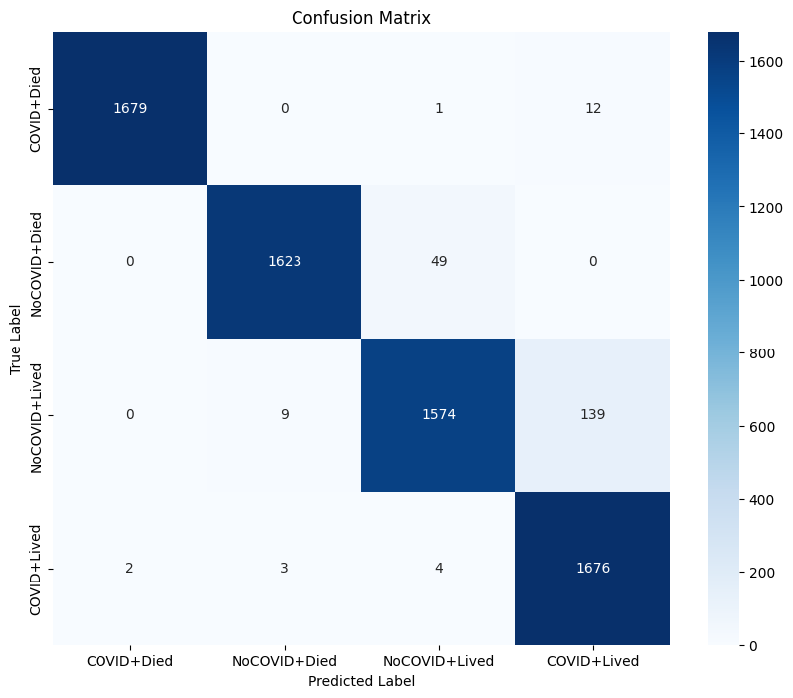
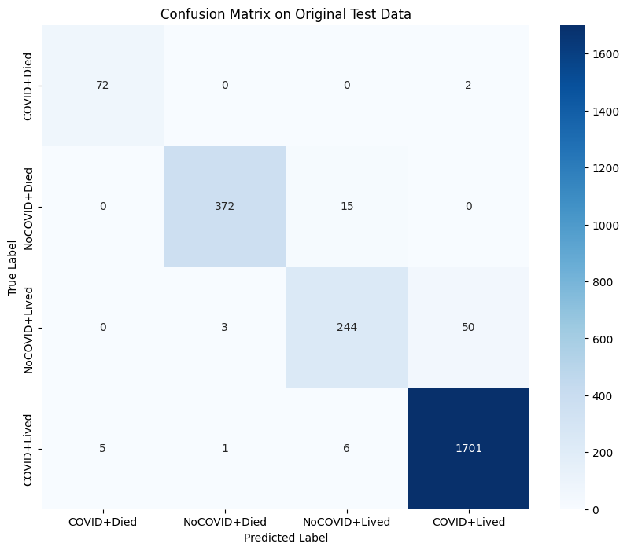
11 | 0.9376 | 0.6593 | 0.9562 | 0.6961
12 | 0.9374 | 0.656 | 0.9673 | 0.6291
13 | 0.9375 | 0.6508 | 0.969 | 0.5384
14 | 0.9405 | 0.5895 | 0.9747 | 0.4694
15 | 0.9407 | 0.5929 | 0.971 | 0.5726
16 | 0.9375 | 0.6395 | 0.9688 | 0.5215
17 | 0.9397 | 0.5912 | 0.9664 | 0.4692
18 | 0.94 | 0.5873 | 0.9682 | 0.4422
19 | 0.9413 | 0.5916 | 0.9727 | 0.5422
20 | 0.9402 | 0.601 | 0.9655 | 0.5072
21 | 0.9427 | 0.581 | 0.9655 | 0.5072
22 | 0.9432 | 0.555 | 0.9705 | 0.4665
23 | 0.9435 | 0.5366 | 0.962 | 0.454

